LP Model
 |  |  |  |  | Constraints
Decision Variables
Coefficients |  |  |  |  | C1 | C2 | C3 | C4 | C5 | C6 | C7 | C8 | C9 | C10 | C11 | C12 | C13 | C14 | C15 | C16 | C17 | C18 | C19 | C20 | C21 | C22 | C23 | C24 | C25 | C26 | C27 | C28 | C29 | C30 | C31
binary
Objective Function | CATEGORY | Number | DV | Coefficients
Constraints | Fries/Snacks | 0 | BC1 | 400 | 1 | 1
 |  | 0 | BC2 | 350 | 1 | 1
KEY |  | 0 | BC3 | 550 | 1 | 1
Meal with Drink |  | 0 | BC4 | 350 | 1 | 1
Meal without Drink |  | 0 | BC5 | 450 | 1 | 1
 |  | 0 | BC6 | 450 | 1 | 1
 |  | 0 | BC7 | 550 | 1 | 1
max
Objective Function |  | 0 | BC8 | 350 | 1 | 1
4500 |  | 0 | BC9 | 300 | 1 | 1
 |  | 0 | BC10 | 500 | 1 | 1
Budget Mentioned |  | 0 | BC11 | 300 | 1 | 1
5000 |  | 0 | BC12 | 400 | 1 | 1
Budget to be Utilized |  | 0 | BC13 | 400 | 1 | 1
≤
4500 |  | 0 | BC14 | 500 | 1 | 1
 |  | 0 | JJ1537 | 570 | 1 | 1
 |  | 0 | JJ1538 | 530 | 1 | 1
 |  | 0 | JJ1539 | 520 | 1 | 1
 |  | 0 | JJ1540 | 670 | 1 | 1
 |  | 0 | JJ1541 | 770 | 1 | 1
 |  | 0 | JJ1542 | 820 | 1 | 1
 |  | 0 | JJ1543 | 540 | 1 | 1
 |  | 0 | JJ1544 | 560 | 1 | 1
 |  | 0 | JJ1545 | 610 | 1 | 1
 |  | 0 | JJ1546 | 640 | 1 | 1
 |  | 0 | JJ1547 | 670 | 1 | 1
 |  | 0 | JJ1548 | 820 | 1 | 1
 |  | 0 | JJ1549 | 610 | 1 | 1
 |  | 0 | JJ1550 | 640 | 1 | 1
 |  | 0 | JJ1551 | 670 | 1 | 1
 |  | 0 | JJ1552 | 870 | 1 | 1
 |  | 0 | JJ1553 | 740 | 1 | 1
 |  | 0 | JJ1554 | 790 | 1 | 1
 |  | 0 | JJ1555 | 750 | 1 | 1
 |  | 0 | JJ1556 | 800 | 1 | 1
 |  | 0 | JJ1557 | 750 | 1 | 1
 |  | 0 | JJ1558 | 800 | 1 | 1
 |  | 0 | JJ1559 | 740 | 1 | 1
 |  | 0 | JJ1560 | 770 | 1 | 1
 |  | 0 | JJ1561 | 580 | 1 | 1
 |  | 0 | JJ1562 | 560 | 1 | 1
 |  | 0 | JJ1563 | 550 | 1 | 1
 |  | 0 | JJ1564 | 700 | 1 | 1
 |  | 0 | JJ1565 | 800 | 1 | 1
 |  | 0 | JJ1566 | 850 | 1 | 1
 |  | 0 | JJ1567 | 570 | 1 | 1
 |  | 0 | JJ1568 | 590 | 1 | 1
 |  | 0 | JJ1569 | 640 | 1 | 1
 |  | 0 | JJ1570 | 670 | 1 | 1
 |  | 0 | JJ1571 | 700 | 1 | 1
 |  | 0 | JJ1572 | 850 | 1 | 1
 |  | 0 | JJ1573 | 640 | 1 | 1
 |  | 0 | JJ1574 | 670 | 1 | 1
 |  | 0 | JJ1575 | 700 | 1 | 1
 |  | 0 | JJ1576 | 900 | 1 | 1
 |  | 0 | JJ1577 | 770 | 1 | 1
 |  | 0 | JJ1578 | 820 | 1 | 1
 |  | 0 | JJ1579 | 780 | 1 | 1
 |  | 0 | JJ1580 | 830 | 1 | 1
 |  | 0 | JJ1581 | 780 | 1 | 1
 |  | 0 | JJ1582 | 830 | 1 | 1
 |  | 0 | JJ1583 | 770 | 1 | 1
 |  | 0 | JJ1584 | 800 | 1 | 1
 |  | 0 | JJ1585 | 680 | 1 | 1
 |  | 0 | JJ1586 | 630 | 1 | 1
 |  | 0 | JJ1587 | 620 | 1 | 1
 |  | 0 | JJ1588 | 770 | 1 | 1
 |  | 0 | JJ1589 | 870 | 1 | 1
 |  | 0 | JJ1590 | 920 | 1 | 1
 |  | 0 | JJ1591 | 640 | 1 | 1
 |  | 0 | JJ1592 | 660 | 1 | 1
 |  | 0 | JJ1593 | 710 | 1 | 1
 |  | 0 | JJ1594 | 740 | 1 | 1
 |  | 0 | JJ1595 | 770 | 1 | 1
 |  | 0 | JJ1596 | 920 | 1 | 1
 |  | 0 | JJ1597 | 710 | 1 | 1
 |  | 0 | JJ1598 | 740 | 1 | 1
 |  | 0 | JJ1599 | 770 | 1 | 1
 |  | 0 | JJ1600 | 970 | 1 | 1
 |  | 0 | JJ1601 | 840 | 1 | 1
 |  | 0 | JJ1602 | 890 | 1 | 1
 |  | 0 | JJ1603 | 850 | 1 | 1
 |  | 0 | JJ1604 | 900 | 1 | 1
 |  | 0 | JJ1605 | 850 | 1 | 1
 |  | 0 | JJ1606 | 900 | 1 | 1
 |  | 0 | JJ1607 | 840 | 1 | 1
 |  | 0 | JJ1608 | 870 | 1 | 1
 |  | 0 | JJ1609 | 755 | 1 | 1
 |  | 0 | JJ1610 | 710 | 1 | 1
 |  | 0 | JJ1611 | 700 | 1 | 1
 |  | 0 | JJ1612 | 850 | 1 | 1
 |  | 0 | JJ1613 | 950 | 1 | 1
 |  | 0 | JJ1614 | 1000 | 1 | 1
 |  | 0 | JJ1615 | 720 | 1 | 1
 |  | 0 | JJ1616 | 740 | 1 | 1
 |  | 0 | JJ1617 | 790 | 1 | 1
 |  | 0 | JJ1618 | 820 | 1 | 1
 |  | 0 | JJ1619 | 850 | 1 | 1
 |  | 0 | JJ1620 | 1000 | 1 | 1
 |  | 0 | JJ1621 | 790 | 1 | 1
 |  | 0 | JJ1622 | 820 | 1 | 1
 |  | 0 | JJ1623 | 850 | 1 | 1
 |  | 0 | JJ1624 | 1050 | 1 | 1
 |  | 0 | JJ1625 | 920 | 1 | 1
 |  | 0 | JJ1626 | 970 | 1 | 1
 |  | 0 | JJ1627 | 930 | 1 | 1
 |  | 0 | JJ1628 | 980 | 1 | 1
 |  | 0 | JJ1629 | 930 | 1 | 1
 |  | 0 | JJ1630 | 980 | 1 | 1
 |  | 0 | JJ1631 | 920 | 1 | 1
 |  | 0 | JJ1632 | 950 | 1 | 1
 |  | 0 | JZ321 | 600 | 1 | 1
 |  | 0 | JZ322 | 700 | 1 | 1
 |  | 0 | JZ323 | 600 | 1 | 1
 |  | 0 | JZ324 | 700 | 1 | 1
 |  | 0 | JZ325 | 650 | 1 | 1
 |  | 0 | JZ326 | 750 | 1 | 1
 |  | 0 | JZ327 | 650 | 1 | 1
 |  | 0 | JZ328 | 700 | 1 | 1
 |  | 0 | JZ329 | 800 | 1 | 1
 |  | 0 | JZ330 | 550 | 1 | 1
 |  | 0 | JZ331 | 650 | 1 | 1
 |  | 0 | JZ332 | 500 | 1 | 1
 |  | 0 | JZ333 | 450 | 1 | 1
 |  | 0 | JZ334 | 420 | 1 | 1
 |  | 0 | JZ335 | 470 | 1 | 1
 |  | 0 | JZ336 | 500 | 1 | 1
 |  | 0 | JZ337 | 700 | 1 | 1
 |  | 0 | JZ338 | 800 | 1 | 1
 |  | 0 | JZ339 | 700 | 1 | 1
 |  | 0 | JZ340 | 800 | 1 | 1
 |  | 0 | JZ341 | 750 | 1 | 1
 |  | 0 | JZ342 | 850 | 1 | 1
 |  | 0 | JZ343 | 750 | 1 | 1
 |  | 0 | JZ344 | 800 | 1 | 1
 |  | 0 | JZ345 | 900 | 1 | 1
 |  | 0 | JZ346 | 650 | 1 | 1
 |  | 0 | JZ347 | 750 | 1 | 1
 |  | 0 | JZ348 | 600 | 1 | 1
 |  | 0 | JZ349 | 550 | 1 | 1
 |  | 0 | JZ350 | 520 | 1 | 1
 |  | 0 | JZ351 | 570 | 1 | 1
 |  | 0 | JZ352 | 600 | 1 | 1
 |  | 0 | JZ353 | 750 | 1 | 1
 |  | 0 | JZ354 | 850 | 1 | 1
 |  | 0 | JZ355 | 750 | 1 | 1
 |  | 0 | JZ356 | 850 | 1 | 1
 |  | 0 | JZ357 | 800 | 1 | 1
 |  | 0 | JZ358 | 900 | 1 | 1
 |  | 0 | JZ359 | 800 | 1 | 1
 |  | 0 | JZ360 | 850 | 1 | 1
 |  | 0 | JZ361 | 950 | 1 | 1
 |  | 0 | JZ362 | 700 | 1 | 1
 |  | 0 | JZ363 | 800 | 1 | 1
 |  | 0 | JZ364 | 650 | 1 | 1
 |  | 0 | JZ365 | 600 | 1 | 1
 |  | 0 | JZ366 | 570 | 1 | 1
 |  | 0 | JZ367 | 620 | 1 | 1
 |  | 0 | JZ368 | 650 | 1 | 1
 |  | 0 | JZ369 | 900 | 1 | 1
 |  | 0 | JZ370 | 1000 | 1 | 1
 |  | 0 | JZ371 | 900 | 1 | 1
 |  | 0 | JZ372 | 1000 | 1 | 1
 |  | 0 | JZ373 | 950 | 1 | 1
 |  | 1 | JZ374 | 1050 | 1 | 1
 |  | 0 | JZ375 | 950 | 1 | 1
 |  | 0 | JZ376 | 1000 | 1 | 1
 |  | 0 | JZ377 | 1100 | 1 | 1
 |  | 0 | JZ378 | 850 | 1 | 1
 |  | 0 | JZ379 | 950 | 1 | 1
 |  | 0 | JZ380 | 800 | 1 | 1
 |  | 0 | JZ381 | 750 | 1 | 1
 |  | 0 | JZ382 | 720 | 1 | 1
 |  | 0 | JZ383 | 770 | 1 | 1
 |  | 0 | JZ384 | 800 | 1 | 1
 |  | 0 | JZ385 | 700 | 1 | 1
 |  | 0 | JZ386 | 800 | 1 | 1
 |  | 0 | JZ387 | 700 | 1 | 1
 |  | 0 | JZ388 | 800 | 1 | 1
 |  | 0 | JZ389 | 750 | 1 | 1
 |  | 0 | JZ390 | 850 | 1 | 1
 |  | 0 | JZ391 | 750 | 1 | 1
 |  | 0 | JZ392 | 800 | 1 | 1
 |  | 0 | JZ393 | 900 | 1 | 1
 |  | 0 | JZ394 | 650 | 1 | 1
 |  | 0 | JZ395 | 750 | 1 | 1
 |  | 0 | JZ396 | 600 | 1 | 1
 |  | 0 | JZ397 | 550 | 1 | 1
 |  | 0 | JZ398 | 520 | 1 | 1
 |  | 0 | JZ399 | 570 | 1 | 1
 |  | 0 | JZ400 | 600 | 1 | 1
 |  | 0 | JZ401 | 550 | 1 | 1
 |  | 0 | JZ402 | 650 | 1 | 1
 |  | 0 | JZ403 | 550 | 1 | 1
 |  | 0 | JZ404 | 650 | 1 | 1
 |  | 0 | JZ405 | 600 | 1 | 1
 |  | 0 | JZ406 | 700 | 1 | 1
 |  | 0 | JZ407 | 600 | 1 | 1
 |  | 0 | JZ408 | 650 | 1 | 1
 |  | 0 | JZ409 | 750 | 1 | 1
 |  | 0 | JZ410 | 500 | 1 | 1
 |  | 0 | JZ411 | 600 | 1 | 1
 |  | 0 | JZ412 | 450 | 1 | 1
 |  | 0 | JZ413 | 400 | 1 | 1
 |  | 0 | JZ414 | 370 | 1 | 1
 |  | 0 | JZ415 | 420 | 1 | 1
 |  | 0 | JZ416 | 450 | 1 | 1
 |  | 0 | JZ417 | 550 | 1 | 1
 |  | 0 | JZ418 | 650 | 1 | 1
 |  | 0 | JZ419 | 550 | 1 | 1
 |  | 0 | JZ420 | 650 | 1 | 1
 |  | 0 | JZ421 | 600 | 1 | 1
 |  | 0 | JZ422 | 700 | 1 | 1
 |  | 0 | JZ423 | 600 | 1 | 1
 |  | 0 | JZ424 | 650 | 1 | 1
 |  | 0 | JZ425 | 750 | 1 | 1
 |  | 0 | JZ426 | 500 | 1 | 1
 |  | 0 | JZ427 | 600 | 1 | 1
 |  | 0 | JZ428 | 450 | 1 | 1
 |  | 0 | JZ429 | 400 | 1 | 1
 |  | 0 | JZ430 | 370 | 1 | 1
 |  | 0 | JZ431 | 420 | 1 | 1
 |  | 0 | JZ432 | 450 | 1 | 1
 |  | 0 | JZ433 | 700 | 1 | 1
 |  | 0 | JZ434 | 800 | 1 | 1
 |  | 0 | JZ435 | 700 | 1 | 1
 |  | 0 | JZ436 | 800 | 1 | 1
 |  | 0 | JZ437 | 750 | 1 | 1
 |  | 0 | JZ438 | 850 | 1 | 1
 |  | 0 | JZ439 | 750 | 1 | 1
 |  | 0 | JZ440 | 800 | 1 | 1
 |  | 0 | JZ441 | 900 | 1 | 1
 |  | 0 | JZ442 | 650 | 1 | 1
 |  | 0 | JZ443 | 750 | 1 | 1
 |  | 0 | JZ444 | 600 | 1 | 1
 |  | 0 | JZ445 | 550 | 1 | 1
 |  | 0 | JZ446 | 520 | 1 | 1
 |  | 0 | JZ447 | 570 | 1 | 1
 |  | 0 | JZ448 | 600 | 1 | 1
 |  | 0 | JZ449 | 700 | 1 | 1
 |  | 0 | JZ450 | 800 | 1 | 1
 |  | 0 | JZ451 | 700 | 1 | 1
 |  | 0 | JZ452 | 800 | 1 | 1
 |  | 0 | JZ453 | 750 | 1 | 1
 |  | 0 | JZ454 | 850 | 1 | 1
 |  | 0 | JZ455 | 750 | 1 | 1
 |  | 0 | JZ456 | 800 | 1 | 1
 |  | 0 | JZ457 | 900 | 1 | 1
 |  | 0 | JZ458 | 650 | 1 | 1
 |  | 0 | JZ459 | 750 | 1 | 1
 |  | 0 | JZ460 | 600 | 1 | 1
 |  | 0 | JZ461 | 550 | 1 | 1
 |  | 0 | JZ462 | 520 | 1 | 1
...
 |  |  |  |  | Constraints
 |  | 0 | JJ1675 | 480 | 1 |  |  |  |  |  |  |  |  |  |  |  |  |  |  |  |  |  |  |  |  |  |  |  |  |  |  |  |  |  | 1
 |  | 0 | JJ1678 | 320 | 1 |  |  |  |  |  |  |  |  |  |  |  |  |  |  |  |  |  |  |  |  |  |  |  |  |  |  |  |  |  | 1
 |  | 0 | JZ708 | 360 | 1 |  |  |  |  |  |  |  |  |  |  |  |  |  |  |  |  |  |  |  |  |  |  |  |  |  |  |  |  |  | 1
 |  | 0 | JZ709 | 450 | 1 |  |  |  |  |  |  |  |  |  |  |  |  |  |  |  |  |  |  |  |  |  |  |  |  |  |  |  |  |  | 1
 |  | 0 | JZ710 | 300 | 1 |  |  |  |  |  |  |  |  |  |  |  |  |  |  |  |  |  |  |  |  |  |  |  |  |  |  |  |  |  | 1
 |  | 0 | JZ711 | 300 | 1 |  |  |  |  |  |  |  |  |  |  |  |  |  |  |  |  |  |  |  |  |  |  |  |  |  |  |  |  |  | 1
 |  | 0 | PDC101 | 50 | 1 |  |  |  |  |  |  |  |  |  |  |  |  |  |  |  |  |  |  |  |  |  |  |  |  |  |  |  |  |  | 1
 |  | 0 | PDC102 | 20 | 1 |  |  |  |  |  |  |  |  |  |  |  |  |  |  |  |  |  |  |  |  |  |  |  |  |  |  |  |  |  | 1
 |  | 1 | PDC103 | 20 | 1 |  |  |  |  |  |  |  |  |  |  |  |  |  |  |  |  |  |  |  |  |  |  |  |  |  |  |  |  |  | 1
 |  |  |  |  | 10 | 1 | 0 | 0 | 1 | 0 | 0 | 1 | 0 | 0 | 1 | 0 | 0 | 0 | 0 | 0 | 0 | 0 | 0 | 0 | 1 | 0 | 0 | 0 | 1 | 0 | 1 | 1 | 0 | 1 | 1
=
≥
 |  |  |  |  | = | >= | >= | >= | >= | >= | >= | >= | >= | >= | >= | >= | >= | >= | >= | >= | >= | >= | >= | >= | >= | >= | >= | >= | >= | >= | >= | >= | >= | >= | >=
 |  |  |  |  | 10 | 1 | 0 | 0 | 1 | 0 | 0 | 1 | 0 | 0 | 1 | 0 | 0 | 0 | 0 | 0 | 0 | 0 | 0 | 0 | 1 | 0 | 0 | 0 | 1 | 0 | 1 | 1 | 0 | 1 | 1

Price Analysis
Number of options versus price range
Price Range (Rs.) | Frequency | Increase in Options
<=200 | 193 | 0
<=400 | 610 | 417
<=600 | 1656 | 1046
<=800 | 2861 | 1205
<=1000 | 3478 | 617
<=1200 | 3602 | 124
<=1400 | 3650 | 48
<=1600 | 3652 | 2

303 | without drink
3349 | with drink

Random Sampling
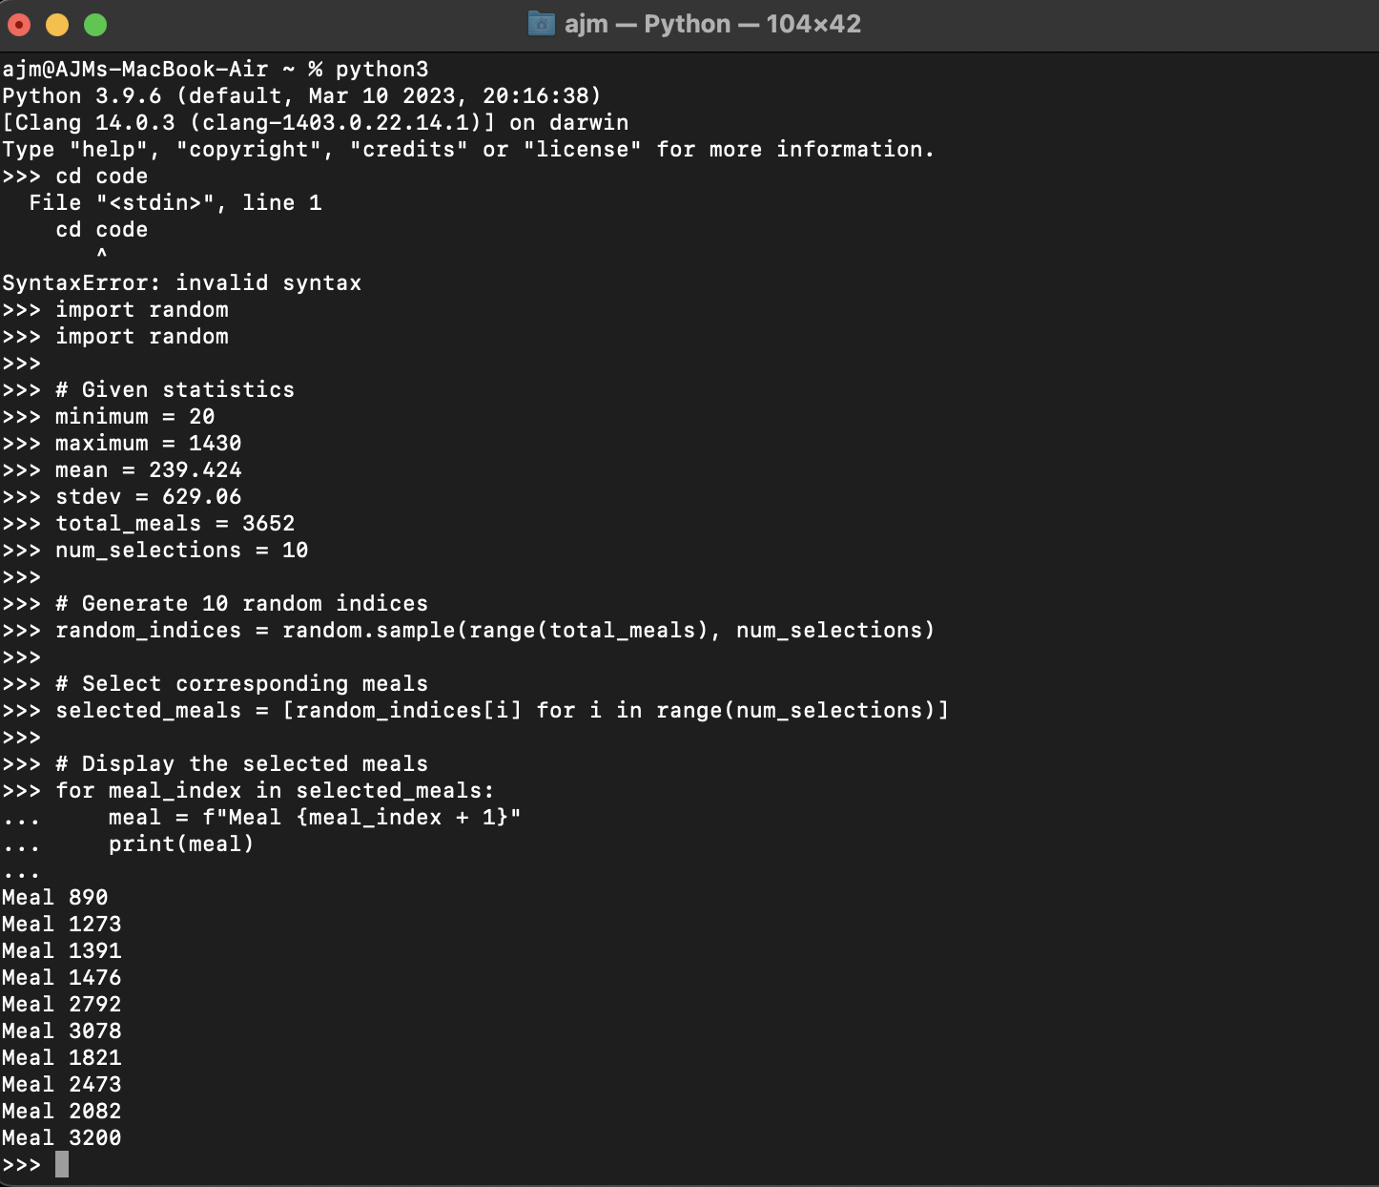
Iteration 1
890 | FR205 | cherry + papri chaat | 610
1273
1391
1476
2792
3078
1821
2473
2082
3200

